Order Form
 | 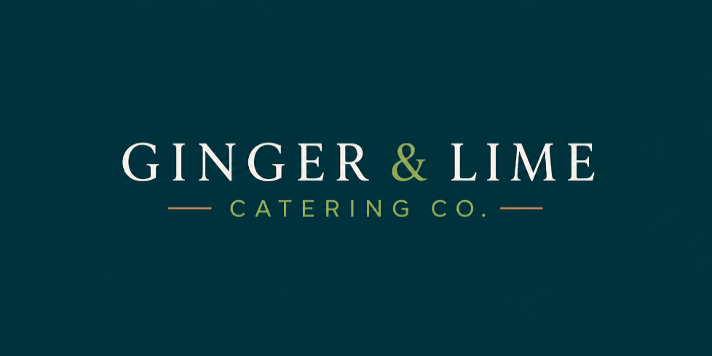 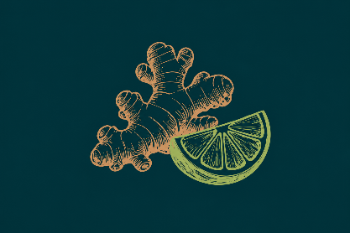 Catering Order Form
 |  |  | Fresh food. Thoughtful service. Effortless catering.
 | Event Details

 | Name: | Company:
 | Contact number: | Email:
 | Date of event: | Time of event:
 | Type of event: | Other
 | Number of guests: | Budget (if any):
 | Delivery address:
 | Payment method: | (Please choose from drop down selection)

 | How did you hear about us? ☐ Existing Client ☐ Google Search ☐ Referral ☐ LinkedIn ☐ Website ☐ Other ____
 | Dietary Requirements: Please specify number of dietaries and if known, the guest's name (we will package a separate box labelled for each dietary guest): i.e. Peanut allergy - John, Vegan - Frederick, Vegetarian - Sanjay, Coeliac - Amanda, No Shellfish or avocado - Linghe, Halal - Sophie, Ben
 | Would you like single-use cutlery? (please choose from drop down box) All orders are accompanied with our selection of condiments, sauces, fresh chilli, napkins, and common dietary labels. Please note individual plates/bowls/tongs are not included, however can be arranged at an additional cost. |  |  | (Yes/No)
 | Additional event comments/instructions:
 | Not sure which package is right for you? | Simply provide your guest numbers, budget (if any), dietary requirements (if known), event type and our team will recommend the most suitable package for your event.
 | Recommended Corporate Office Packages
 | The Team Lunch - from $22 per person Includes: Spring Rolls, Mini Rice Paper Rolls, Mini Banh Mi/Bao Buns |  |  | FALSE
 | The Fresh Start - from $22 per person Includes: Mini Rice Paper Rolls, Vermicelli Salad 16oz, Fresh Fruit Platter |  |  | FALSE
 | The Workshop ⭐ Most Popular - from $35 per person Includes: Spring Rolls, Mini Banh Mi, Bao Buns, Vermicelli Salad 16oz, Fresh Fruit Platter |  |  | FALSE
 | The Boardroom - from $45 per person Includes: Mini Rice Paper Rolls, Spring Rolls, Steamed Dumplings, Peking Duck Pancakes, Bao Buns, Ebi Panko Prawns, Pop Fried Chicken/Cauliflower, Fresh Fruit Platter |  |  | FALSE
 | Individual Lunch Boxes (min. order 10 boxes)
 | Vietnamese Lunch Box - from $22 per person Includes: Bun Vermicelli Noodlebox, Bao Bun, Mini Rice Paper Roll |  |  | FALSE
 | Healthy Lunch Box - from $22 per person Includes: Green Papaya Slaw, Mini Rice Paper Rolls and Fresh Fruit. |  |  | FALSE
 | Curated Lunch Box - tailored to your budget Looking for something specific? We'll work with you to create a customised lunch box solution based on your budget, guest numbers, dietary requirements and event style. Perfect for unique events, specialised catering needs or larger corporate functions. |  |  | FALSE
 | Celebrations and Gatherings | Includes a curated selection of our most popular canapés, premium finger food and fresh seasonal offerings, designed to encourage guests to mingle, connect and celebrate. Perfect for client events, networking functions, product launches, milestone celebrations and end-of-year gatherings. Beautifully presented and effortlessly organised, these packages create a memorable catering experience without the stress of planning every detail.
 | The Celebration - from $45 per person Includes: Mini Rice Paper Rolls, Mini Banh Mi/Bao Buns, Satay Chicken Skewer, Steamed Dumplings, Spring Rolls, Salt & Pepper Squid, Pop Fried Chicken/Cauliflower, Fresh Fruit Platter |  |  | FALSE
 | The Signature Feast - from $70 per person Includes: Mini Rice Paper Rolls, Mini Banh Mi/Bao Buns, Steamed Dumplings, Spring Rolls, Peking Duck Pancakes, Satay Chicken Skewer, Nem Nuong Skewers, Pop Fried Chicken, Pop Fried Cauliflower, Salt & Pepper Squid, Ebi Panko Prawns, Stir-Fried Noodles, Green Papaya Slaw, Fresh Fruit Platter |  |  | FALSE
 | Popular Add Ons - $110 per platter/box
 | Fresh Fruit Platter - serves 20 people | FALSE | Ebi Panko Prawns (DF) - serves 20 people | FALSE
 | Rice Paper Rolls - serves 20 people | FALSE | Salt & Pepper Squid - serves 20-25 people | FALSE
 | Mini Banh Mis - serves 10 people | FALSE | Bun Vermicelli Salad - serves 20-25 people | FALSE
 | Bao Buns - serves 10 people | FALSE | Green Papaya Slaw - serves 20-25 people | FALSE
 | Spring Rolls - serves 20-25 people | FALSE | Stir Fried Egg Noodles - serves 20 people | FALSE
 | Steamed Dumplings - serves 20-25 people | FALSE | Pop Fried Cauliflower (GF, V, DF) - serves 20-25 people | FALSE
 | Pop Fried Chicken (GF) - serves 20-25 people | FALSE | Fried Rice - serves 20-25 people | FALSE
 | Peking Duck Pancakes - serves 20 people | FALSE | Kombucha | FALSE
 | Satay Chicken Skewers (GF, DF) with a homemade peanut satay sauce - serves 20 people | FALSE | Still Mt Franklin | FALSE
 | Potato Wrapped Prawn (GF) - serves 20 people | FALSE | Sparkling Mt Franklin Water | FALSE
 | FALSE | FALSE |  | FALSE
 | Our team will select a balanced mix of flavours for your event. If you have preferred flavours, please let us know and we will send our list of flavours available for each menu item. |  | Please pick whatever is most popular | FALSE
 |  |  | I want to choose from the list of flavours (click on the next tab below to choose from the 'Flavour Selection List') | FALSE
d | GF = Gluten Free, DF = Dairy Free, V = Vegetarian, VG = Vegan, P = Contains Peanuts (Can be omitted upon request)
 | Next Steps
 | 1. Complete the Order Form 2. Email to gingerandlimecatering@outlook.com 3. We'll confirm your booking and organise the invoice
 | Payment
 | Full payment must be received prior to the event date. Payment can be made by way of Bank Transfer, Cash on delivery (5% discount) or Credit Card via payment link (2.2% card fee applies).

 | Thank you for choosing Ginger & Lime Catering Co.
 | We believe great catering should feel effortless. Thank you for trusting us with your event, and we look forward to creating a memorable experience for you and your guests!

